Hiearchy View
Class: APRON
an airplane’s parking area, normally located off the airport runway and taxiway. | 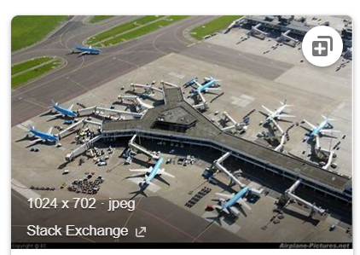 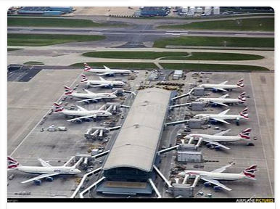
REMOVE | N

PROBLEM_DESC | CAUSE_DESC | REMEDY_DESC
ALARM/SENSOR
BROKEN/DAMAGED
LEAKING
LIGHTING
NOISE
OTHER PROBLEM
OVERHEATING
PESTS
POWER-ELEC
PRESSURE
SMELL
STOPPED/SLOWED/POOR OPS
TEMP-CTRL
VIBRATION
Grand Total

